Upcoming Beequip Information
. | . | Upcoming Beequip Information |  | .
. | . |  |  | .
. | . |  |  | .
 |  |  | ALL new information gathered in the addition of the 6 new beequips added
 |  |  | into the classic update are now implemented into this spreadsheet.
 |  |  | If you are wondering or just genuinely curious about the in game code
 |  |  | of the new update and most of the main game then you can
 |  |  | DM charcaol and I will happily send it to you
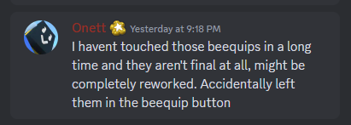

 |  |  | ^regarding new beequips in the test realm released 7/14^

 |  | you can also check the upcoming beequips' stats in here

